Own and live in property
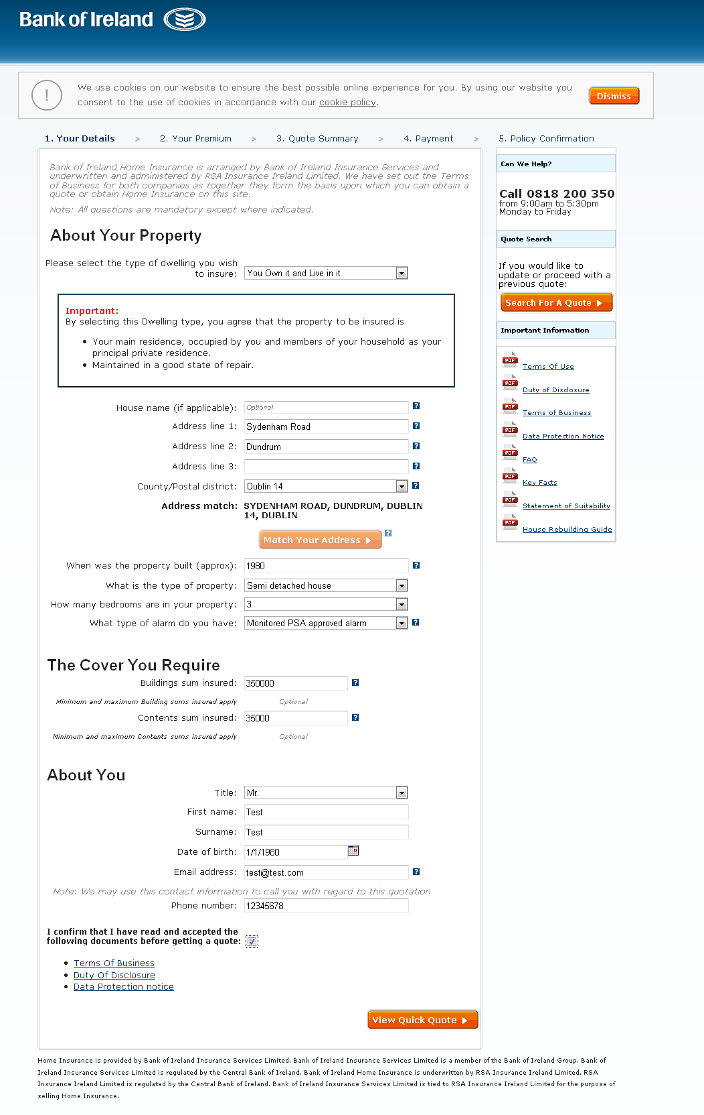

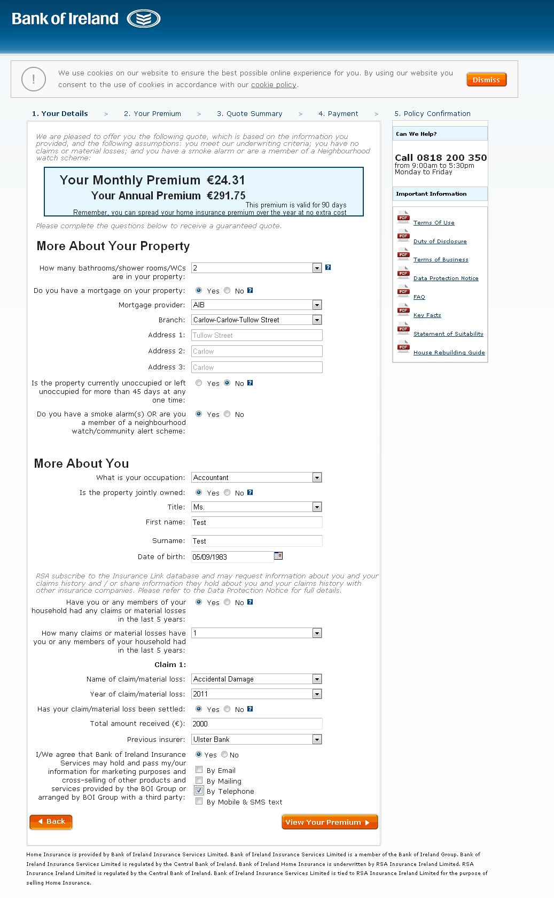

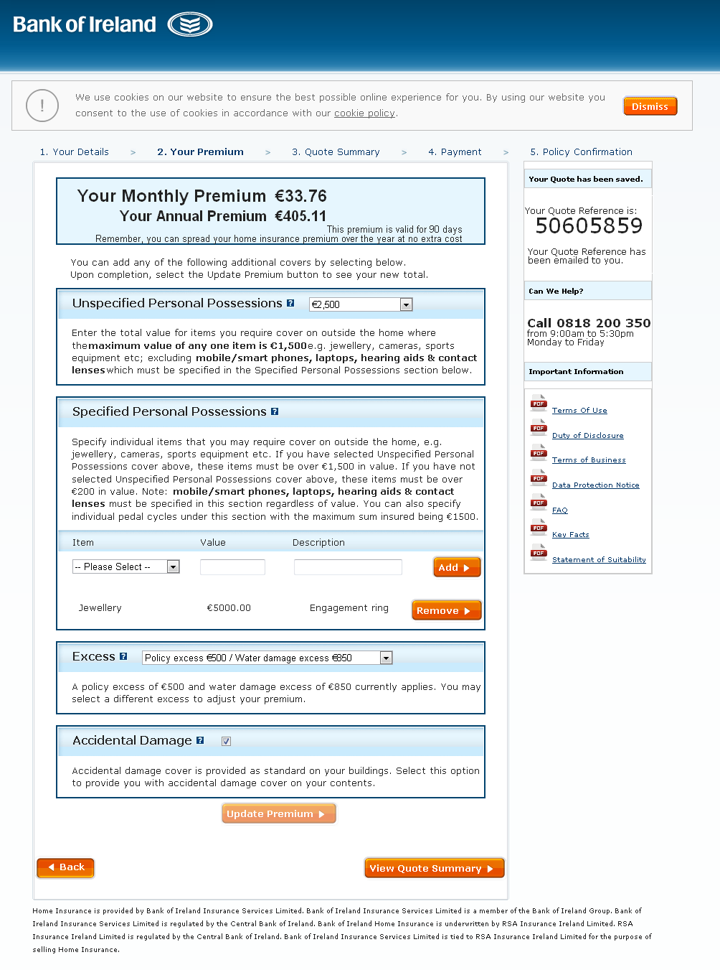

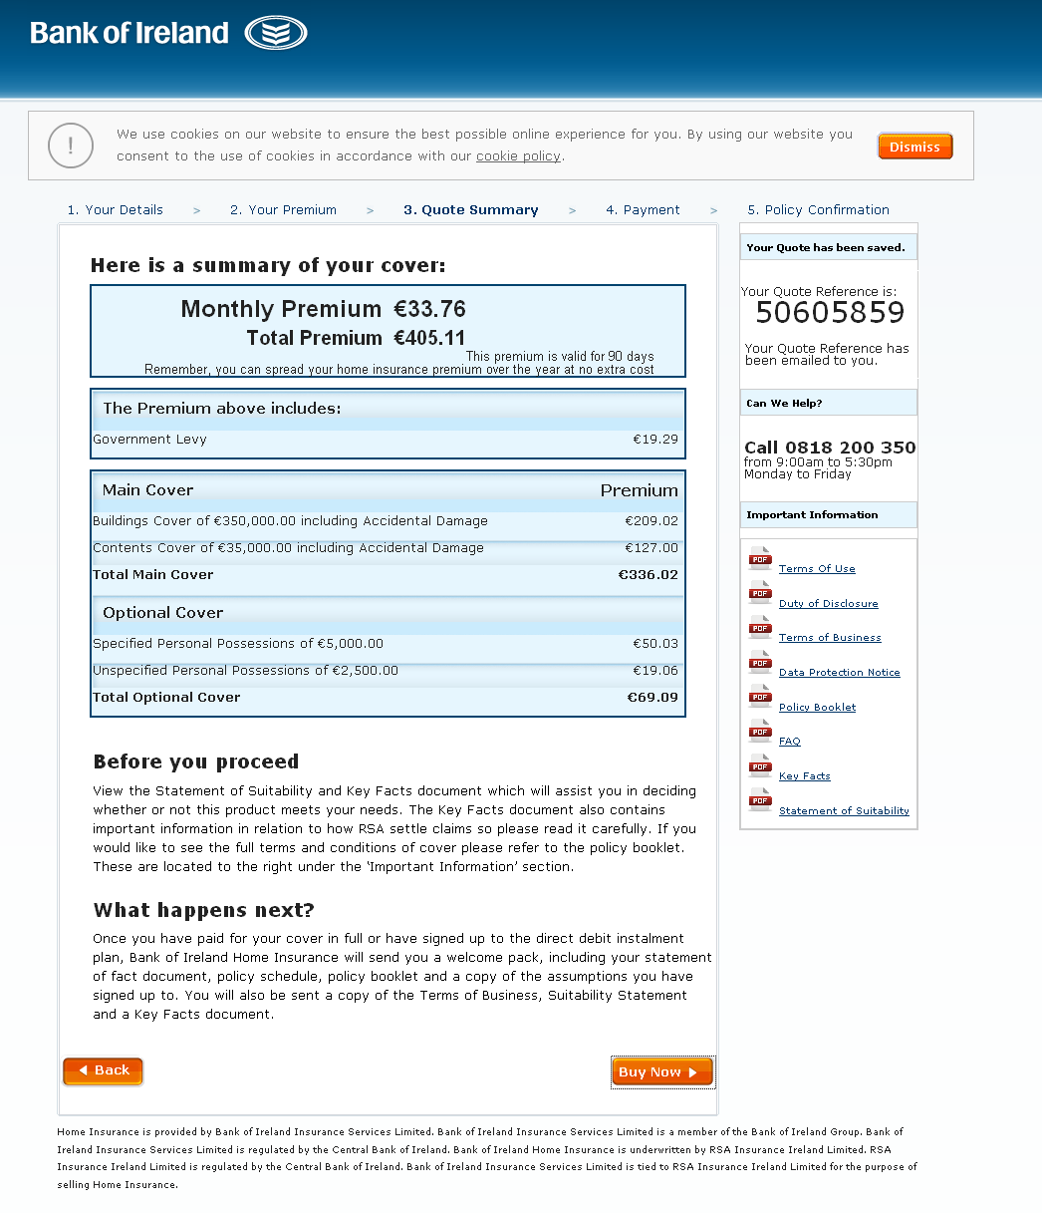

Live in it, rent from someone
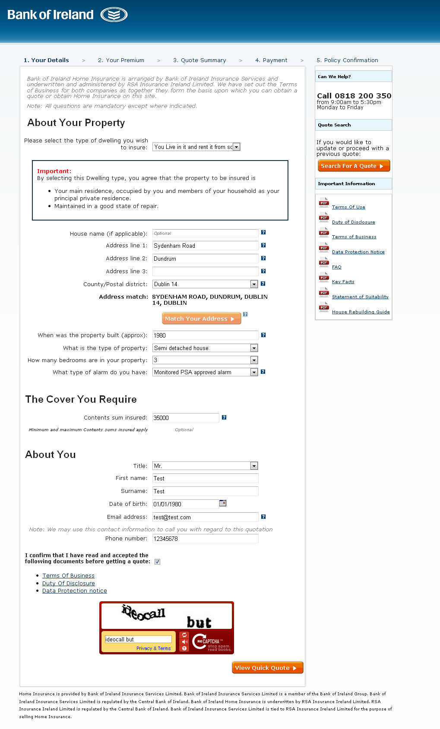

<--------- | Remove Buildings Sum Insured

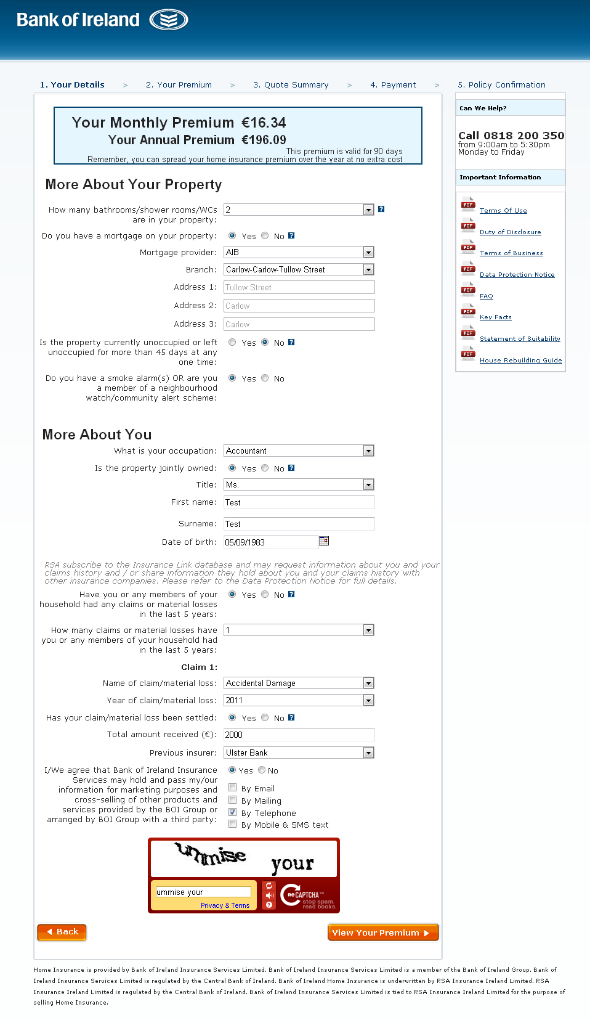

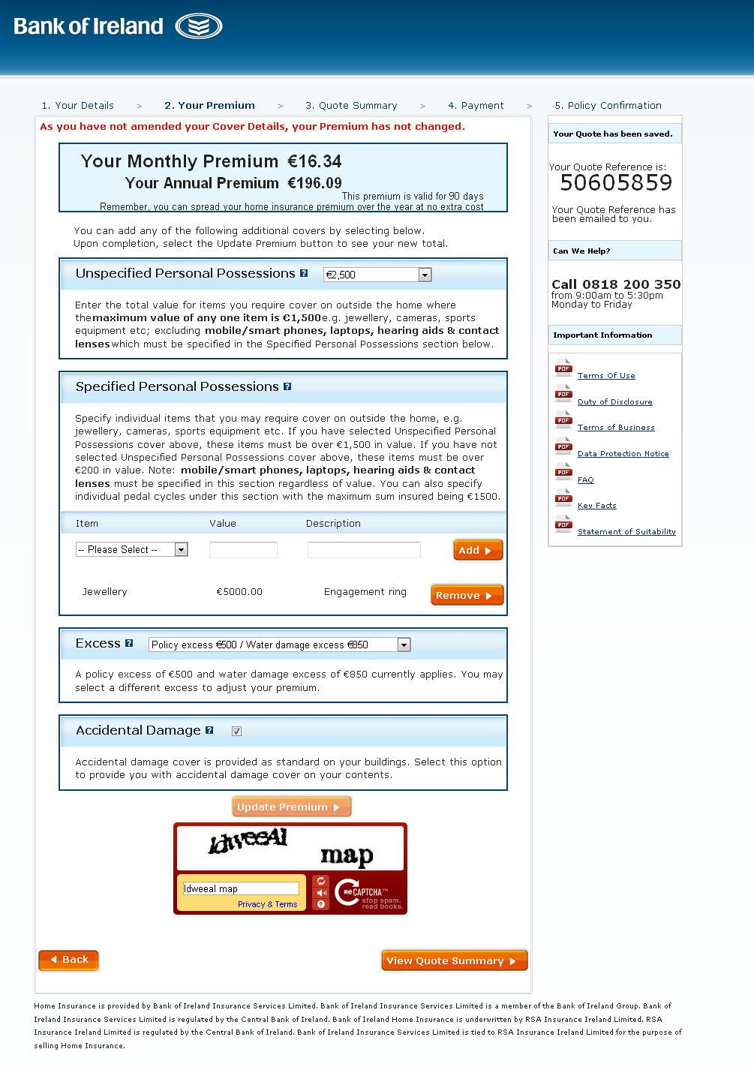

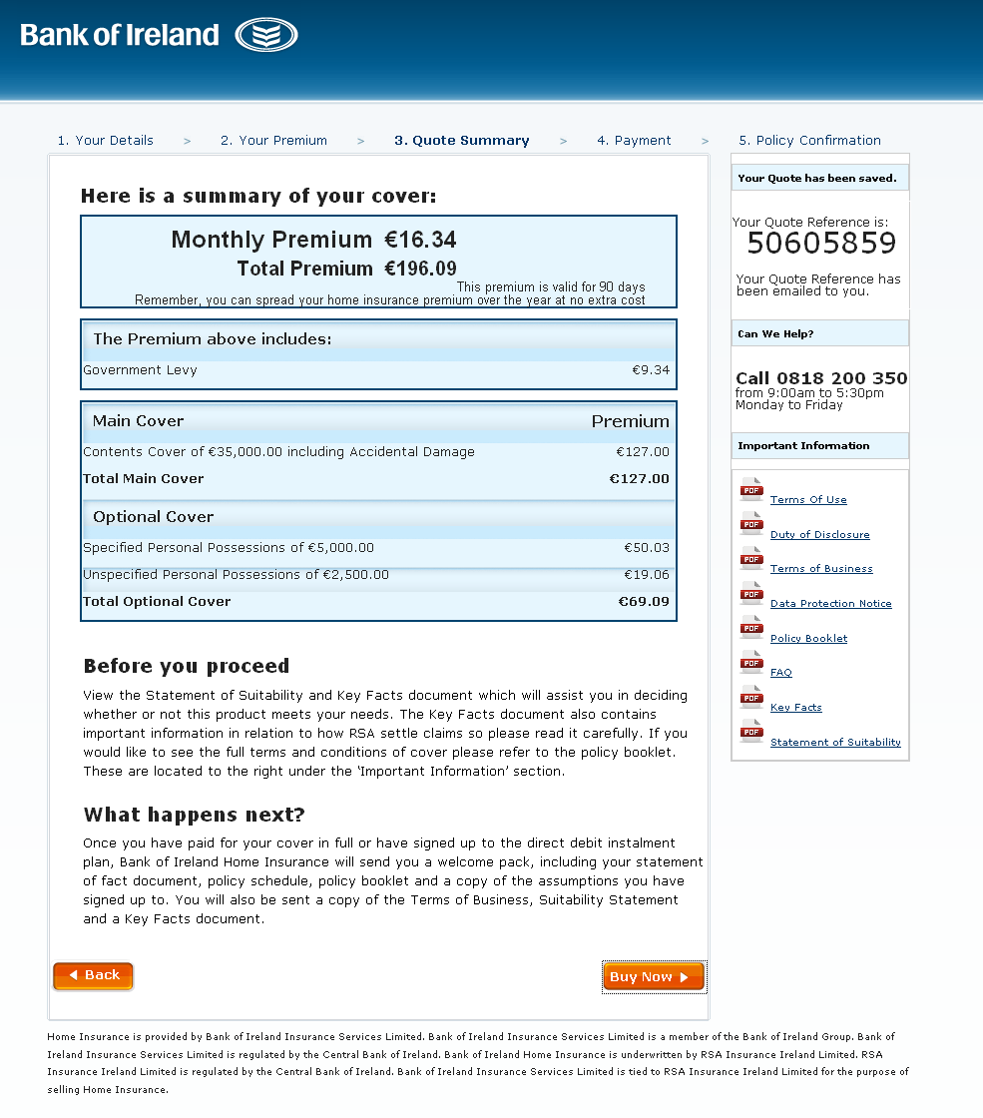

 | <--------- | Remove Buildings Sum Insured

Holiday Home
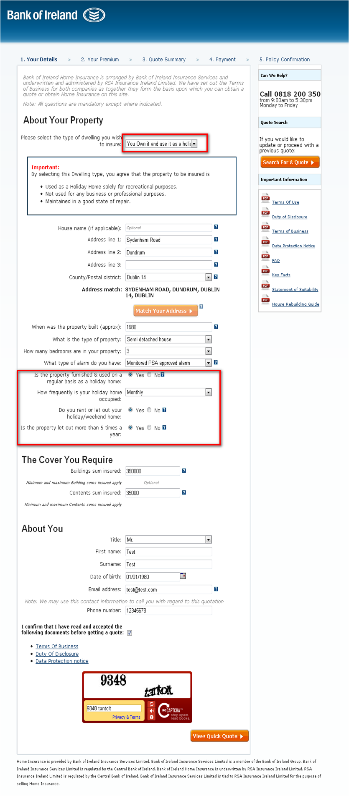

 | <--------- | Add highlighted questions

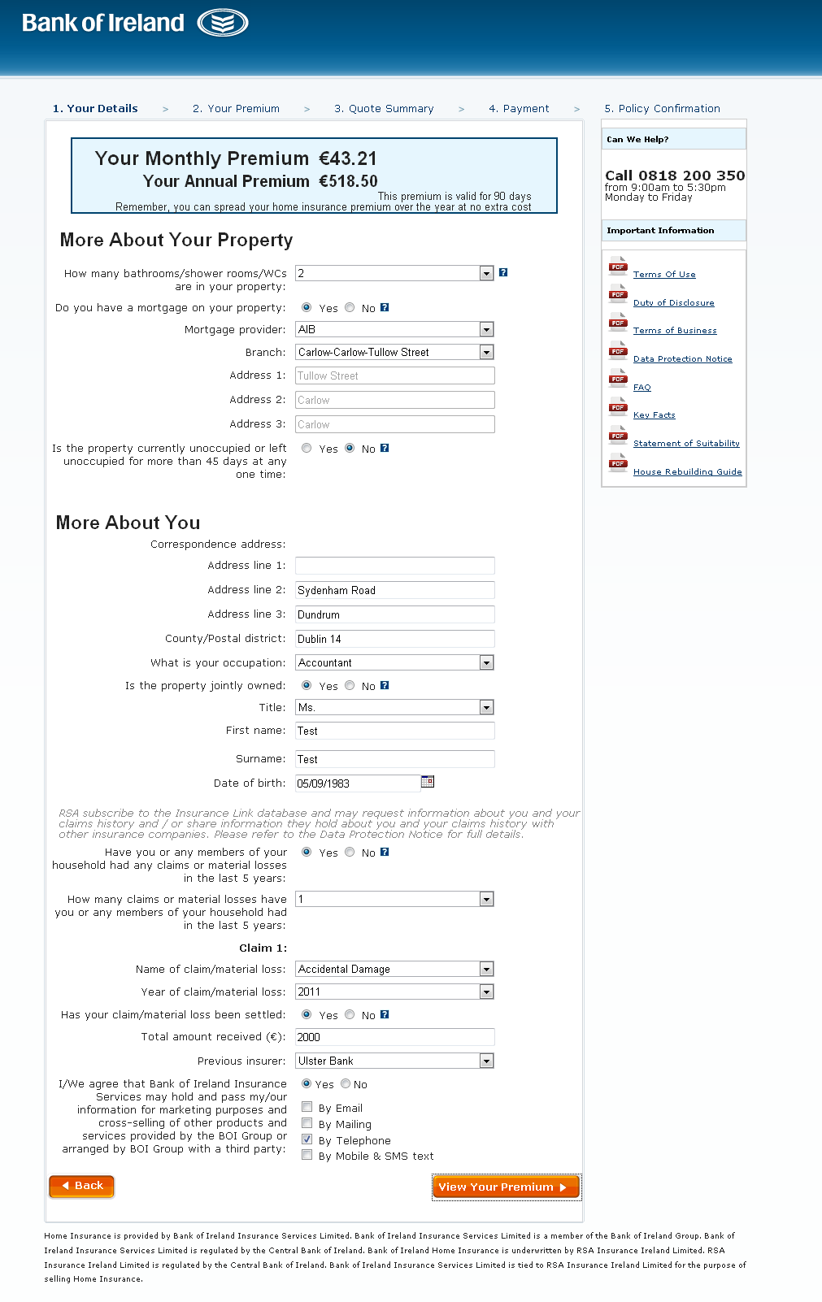

<--------- | Remove 'Do you have a smoke alarm(s) or are you a member of a neighbourhood watch/community alert scheme?'

<--------- | Add 'Correspondence address'

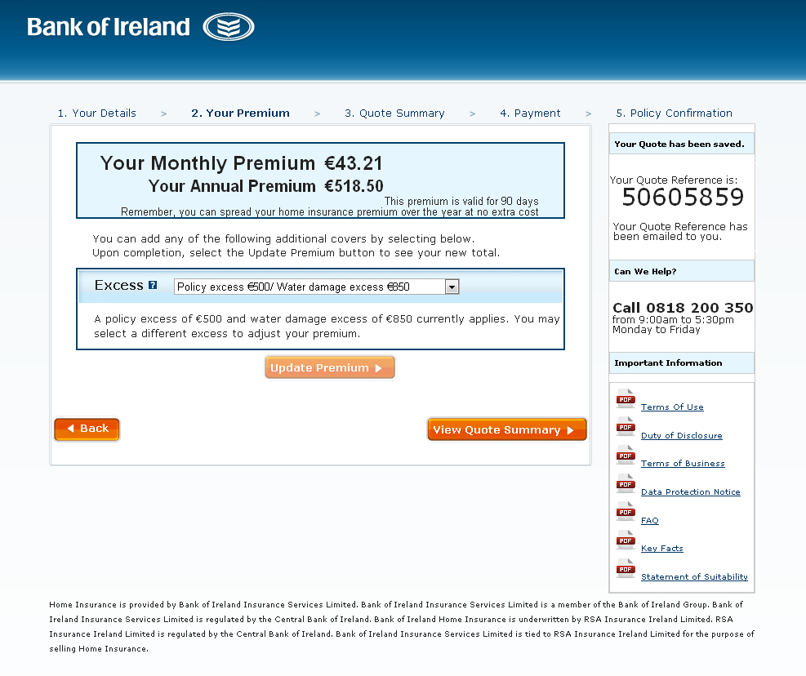

 | <--------- | Remove 'Unspecified Personal Posessions'

 | <--------- | Remove 'Specified Personal Posessions'

 | <--------- | Remove 'Accidental Damage'

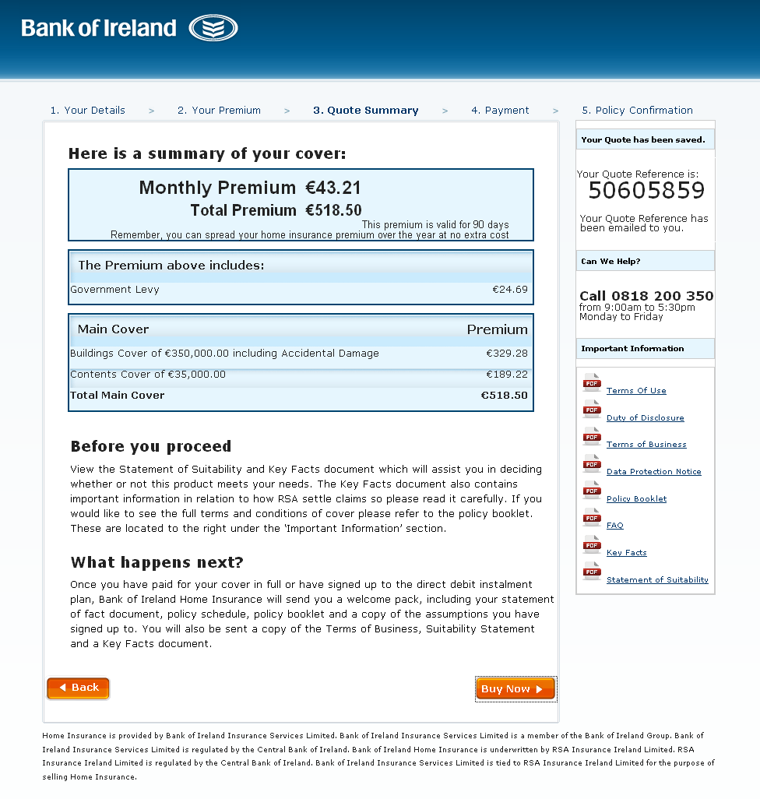

 | <--------- | Remove 'Unspecified Personal Posessions'

 | <--------- | Remove 'Specified Personal Posessions'

Own it and let it
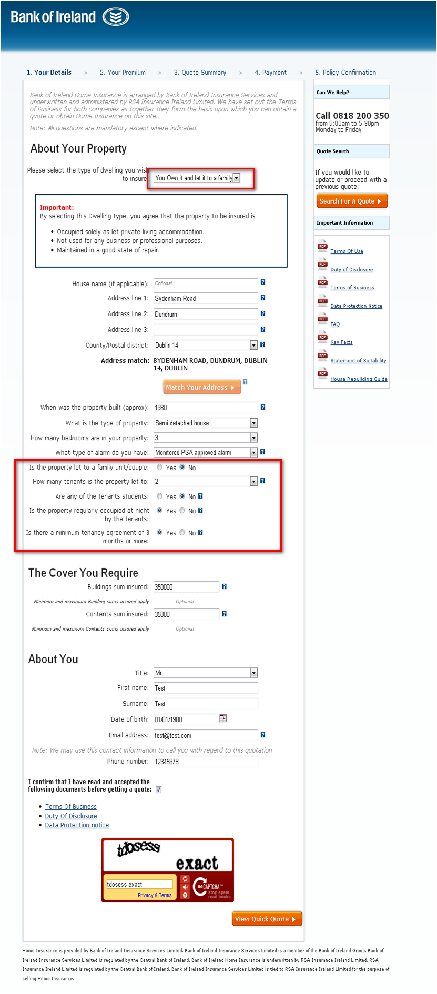

<--------- | Add highlighted questions

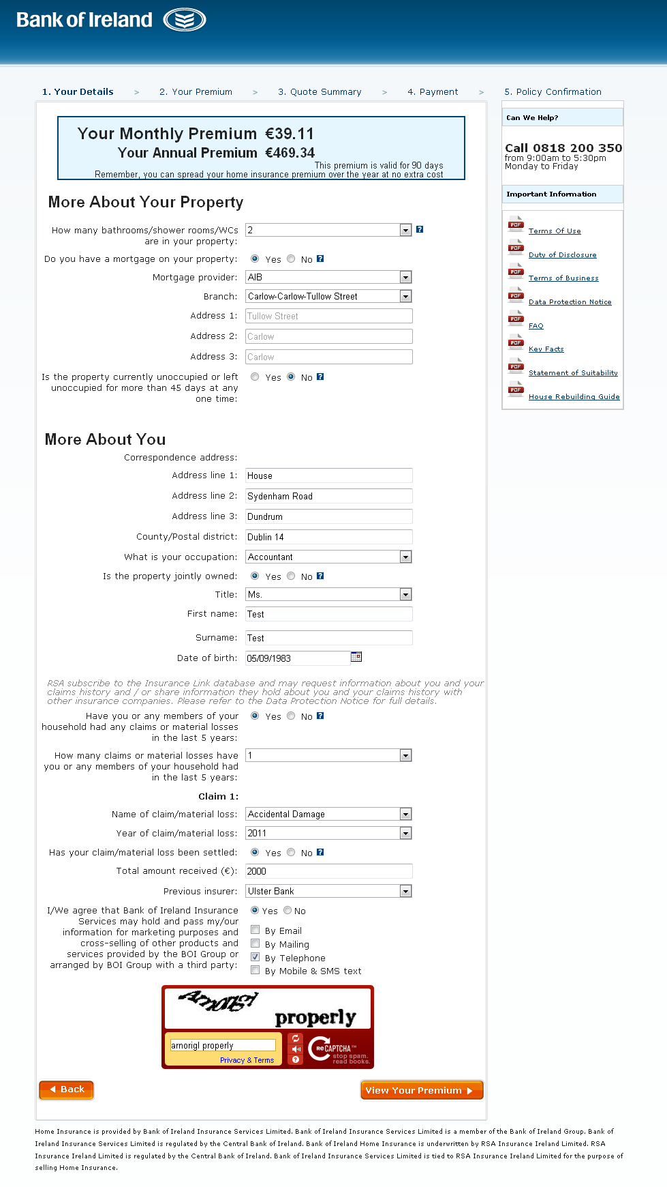

<--------- | Remove 'Do you have a smoke alarm(s) or are you a member of a neighbourhood watch/community alert scheme?'

<--------- | Add 'Correspondence address'

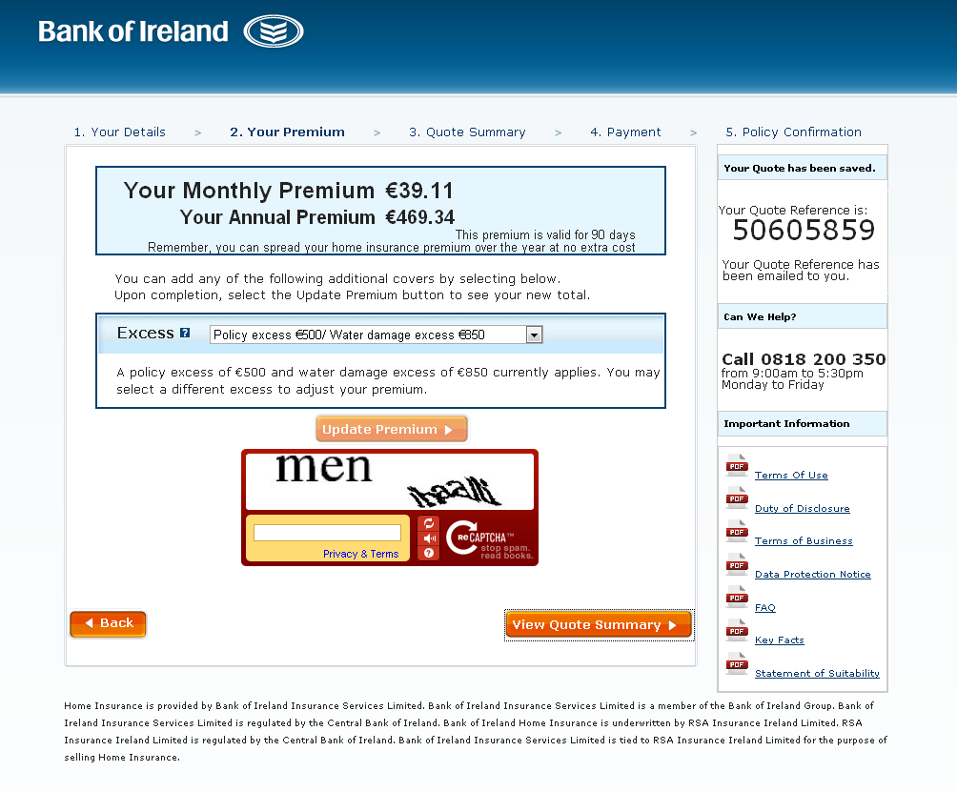

<--------- | Remove 'Unspecified Personal Posessions'

<--------- | Remove 'Specified Personal Posessions'

<--------- | Remove 'Accidental Damage'

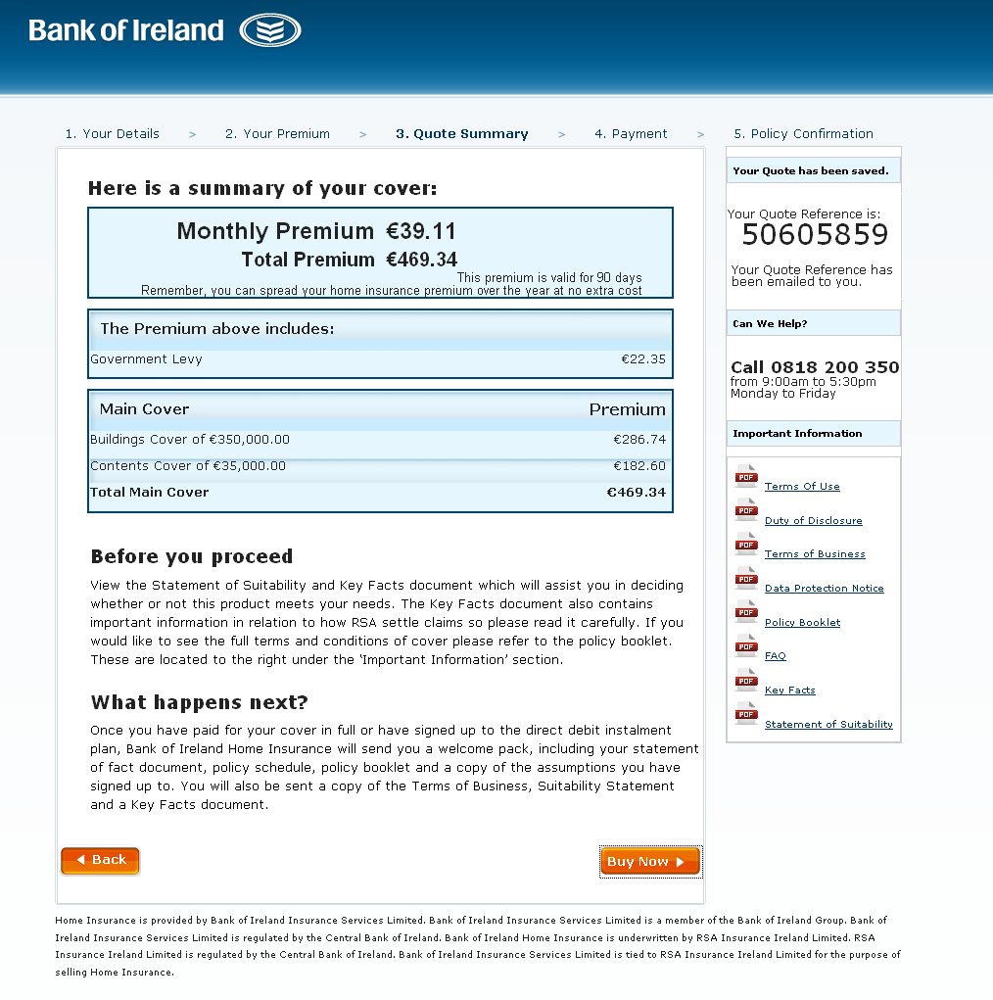

<--------- | Remove 'Unspecified Personal Posessions'

<--------- | Remove 'Specified Personal Posessions'

<--------- | Remove 'Accidental Damage'

